readme
Comparison of EPA 2016v2 Modeling Platform Historical Year 2016 and Future Year 2023
to WRAP OGWG circa 2014 Baseline and Future Year Emission Inventory

 | Tab Descriptions
 | Tab | Description
 | Total_Compare | Compares EPA 2016 V2 Modeling Platform and WRAP OGWG total oil and gas base year and future criteria air pollutant emissions by state
 | Point_Compare | Compares EPA 2016 V2 Modeling Platform and WRAP OGWG point oil and gas base year and future criteria air pollutant emissions by state
 | Nonpoint_Compare | Compares EPA 2016 V2 Modeling Platform and WRAP OGWG nonpoint oil and gas base year and future criteria air pollutant emissions by state
 | Nonpoint_Production_compare | Compares EPA 2016 V2 Modeling Platform and WRAP OGWG nonpoint production phase oil and gas base year and future criteria air pollutant emissions by state
 | Nonpoint_Explore_compare | Compares EPA 2016 V2 Modeling Platform and WRAP OGWG nonpoint exploration phase oil and gas base year and future criteria air pollutant emissions by state
 | Reference Data Sources
 | Cirac-2014 WRAP OGWG | https://www.wrapair2.org/pdf/WESTAR_OGWG_Emissions_Inventory_2014_Webdistribution_090919_nolink.xlsx
 | WRAP OGWG Future Year | https://www.wrapair2.org/pdf/WESTAR-WRAP_OGWG_Future_Emissions_Inventory_webdist_March05_2020_nolinks.xlsx
 | EPA 2016 V2 Modeling Platform | https://gaftp.epa.gov/Air/emismod/2016/v2/reports/US_inventory_state_SCC_2016v2_2016v1_20aug2021.xlsx
 | WRAP OGWG emissions integration into EPA 2016 V2 Modeling Platform (source: Nov 8 Presentation to WRAP OGWG by J. Vukovich)
 | 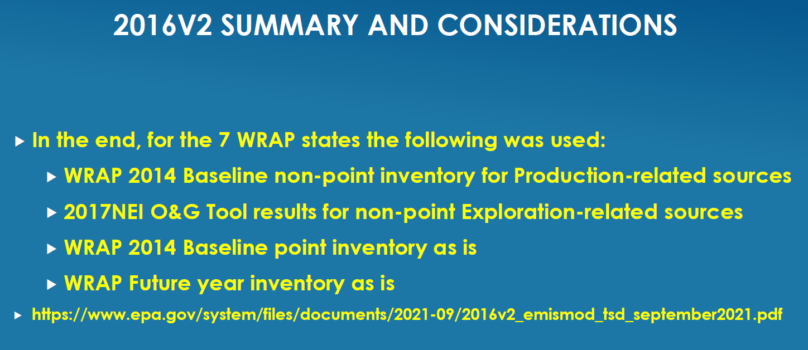

 | WRAP OGWG Comparison Results Summary
 | Historical Year Inventory
 | Point Source
 | Point source emissions between two datasets are very similar
 | Nonpoint Source:
 | 1. Exploration: As expected, nonpoint source emissions are quite different from WRAP OGWG
 | 2. Production: Differences are <5% between 2016 V2 modeling platform and Circa-2014 WRAP OGWG emissions
 | Future Year Inventory
 | Point Source
 | Point source emissions between the two datasets are very similar
 | Nonpoint Source:
 | Nonpoint source emissions are very different from WRAP OGWG future year inventory

